May 16-One Show 2025 special aw
 |  | MAY 16-THE ONE SHOW 2025 SPECIAL AWARDS WINNERS |  |  |  | 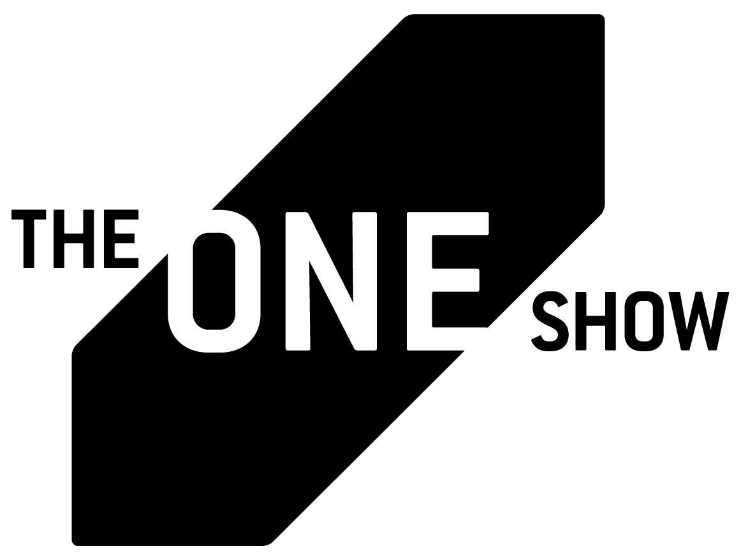
AWARD TYPE | AWARD | PRIMARY + SECONDARY COMPANIES | ENTRY TITLE | CLIENT | DISCIPLINE | CREDITED COUNTRIES | CREDITED REGIONS
— | Best of Show | FCB / New York | Spreadbeats | Spotify | — | United States | North America
— | Best of Non-Profit | IMPACT BBDO / Dubai | Child Wedding Cards | UN Women | — | United Arab Emirates | Middle East & Africa
Best of Discipline | Best of Brand-Side / In-House | The Kitchen North America + Cashmere | Heinz Mustard X Mustard | Kraft Heinz Mustard | Brand-Side / In-House | Canada United States | North America
Best of Discipline | Best of Branded Entertainment | FCB / New York | Spreadbeats | Spotify | Branded Entertainment | United States | North America
Best of Discipline | Best of Creative Effectiveness | Ogilvy PR / New York | Michael CeraVe | CeraVe | Creative Effectiveness | United States | North America
Best of Discipline | Best of Creative Use of Data | FCB / New York | Spreadbeats | Spotify | Creative Use of Data | United States | North America
Best of Discipline | Best of Creative Use of Technology | FCB / New York + AB InBev - Michelob Ultra | Lap of Legends | AB InBev - Michelob ULTRA | Creative Use of Technology | United States | North America
Best of Discipline | Best of Cultural Driver | LePub / Milan + Publicis / Dublin | Pub Museums | Heineken | Cultural Driver | Italy Ireland | Europe
Best of Discipline | Best of Design | DENTSU INC. / Tokyo + SHOEI Inc. / Tokyo + Soda! Communications Inc. / Tokyo | Move forward. | THE HOKKOKU SHIMBUN / KANAZAWA HIGH SCHOOL SUMO TOURNAMENT | Design | Japan | Asia Pacific
Best of Discipline | Best of Direct Marketing | FCB / New York | Spreadbeats | Spotify | Direct Marketing | United States | North America
Best of Discipline | Best of Experiential & Immersive | Apple Marcom + TBWA\Media Arts Lab / Los Angeles | Introducing Immersive Video on Apple Vision Pro | Apple | Experiential & Immersive | United States | North America
Best of Discipline | Best of Film & Video | VML Mexico / Mexico City + Telefónica Movistar Mexico / Mexico City + Landia Mexico / Mexico City | This is not a game | Telefonica Movistar | Film & Video | Mexico | Latin America
Best of Discipline | Best of Gaming | McCann / London | The Everyday Tactician | Microsoft / XBOX | Gaming | United Kingdom | Europe
Best of Discipline | Best of Health & Wellness | Circus Grey Peru / Lima + Apoyo Comunicación Peru / Lima + LLYC / Lima + DINAMO / Lima | SIGHTWALKS | UNACEM - Cemento Sol | Health & Wellness | Peru | Latin America
Best of Discipline | Best of Integrated / Omnichannel | Goodby Silverstein & Partners | Other Hand | Cheetos | Integrated / Omnichannel | United States | North America
Best of Discipline | Best of Interactive, Online & Mobile | LePub / São Paulo | The Heaviest Jersey | New Balance | Interactive, Online & Mobile | Brazil | Latin America
Best of Discipline | Best of IP & Product Design | Ogilvy / Singapore | Transition Body Lotion | Vaseline | IP & Product Design | Singapore | Asia Pacific
Best of Discipline | Best of Moving Image Craft & Production | FCB / New York | Spreadbeats | Spotify | Moving Image Craft & Production | United States | North America
Best of Discipline | Best of Music & Sound Craft | TBWA\HAKUHODO Inc. / Tokyo + ROBOT COMMUNICATIONS Inc. / Tokyo | No Smiles | McDonald’s Japan | Music & Sound Craft | Japan | Asia Pacific
Best of Discipline | Best of Out of Home | DAVID / Madrid + JCDecaux / Madrid + FAR Media / Madrid + Deseif Films / Madrid | Meet Marina Prieto | JCDecaux | Out of Home | Spain | Europe
Best of Discipline | Best of Pharma | Klick Health / Toronto | Voice 2 Diabetes | KVI Brave Fund INC | Pharma | Canada | North America
Best of Discipline | Best of Print & Promotional | SERVICEPLAN GERMANY / Munich | Price Packs | PENNY | Print & Promotional | Germany | Europe
Best of Discipline | Best of Public Relations | McCann / London | The Everyday Tactician | Microsoft / XBOX | Public Relations | United Kingdom | Europe
Best of Discipline | Best of Radio & Audio-First | Area 23, an IPG Health Company / New York + Bro Cinema / Lisbon + Sonido / Lisbon + Ars Thanea / Warsaw | Magnetic Stories | Siemens Healthineers | Radio & Audio-First | United States Portugal Poland | North America Europe
Best of Discipline | Best of Social Media | VML / Kansas City + The Wendy's Company / Dublin Ohio + Ketchum / Chicago | Wendy's Enters The Chat | The Wendy's Company | Social Media | United States | North America
Special Award | CMO Pencil | CMO: Dave Frauenfelder, VP Brand, MarCom & Sponsorships, KPN COMPANIES CREDITED ON THE WORK: Dentsu Creative / Amsterdam + Amp.Amsterdam // The Sonic Branding Company / Amsterdam + HPB Het PR Bureau / Amsterdam + Wefilm Creative Agency / Amsterdam | A Piece of Me | KPN | CMO Pencil | Netherlands | Europe
Special Award | Fusion Pencil | SERVICEPLAN GERMANY / Munich | Rainbow Wool | Schäferei Stücke | Fusion Pencil | Germany | Europe
Special Award | Fusion Pencil | Droga5 / Sao Paulo + Unilever - Seda (Sunsilk) / São Paulo + Saigon / São Paulo | The Princess and The Crown | Unilever - Seda (Sunsilk) | Fusion Pencil | Brazil | Latin America
Special Award | Fusion Pencil | OBERLAND / New York + Office of Development & Design + e.l.f. Beauty | So Many Dicks | e.l.f. Beauty | Fusion Pencil | United States | North America
Special Award | Green Pencil | Ogilvy Colombia / Bogotá | Filter Caps | Filsa | Green Pencil | Colombia | Latin America
Special Award | Penta Pencil | FCB / New York + AB InBev - Michelob Ultra | From Beer to Entertainment | AB Inbev - Michelob ULTRA | Penta Pencil | United States | North America
Special Award | SDG Pencil | 36 Months / Sydney + FINCH / Sydney + Supermassive / Sydney | 36 Months | 36 Months | Sustainable Development Goals Pencil | Australia | Asia Pacific
Special Award | SDG Pencil | Edelman / London | The Move to -15 | DP World | Sustainable Development Goals Pencil | United Kingdom | Europe
Special Award | SDG Pencil | AKQA / Amsterdam + DEGIRO / Amsterdam + Amp.Amsterdam // The Sonic Branding Company / Amsterdam + Thematic / San Francisco | Pink Chip | DEGIRO & UN Women NL | Sustainable Development Goals Pencil | Netherlands United States | Europe North America
Special Award | Creative AI Pioneer | Leilanni Todd / New York | Creative AI Pioneer | Leilanni Todd | Creative Use of Artificial Intelligence | United States | North America
Special Award | Agency AI Pioneer | Monks | Monks.Flow | Monks | Creative Use of Artificial Intelligence | United States | North America
Special Award | Brand AI Pioneer | The Coca-Cola Company | Brand AI Pioneer | The Coca-Cola Company | Creative Use of Artificial Intelligence | United States | North America

